FlowChart
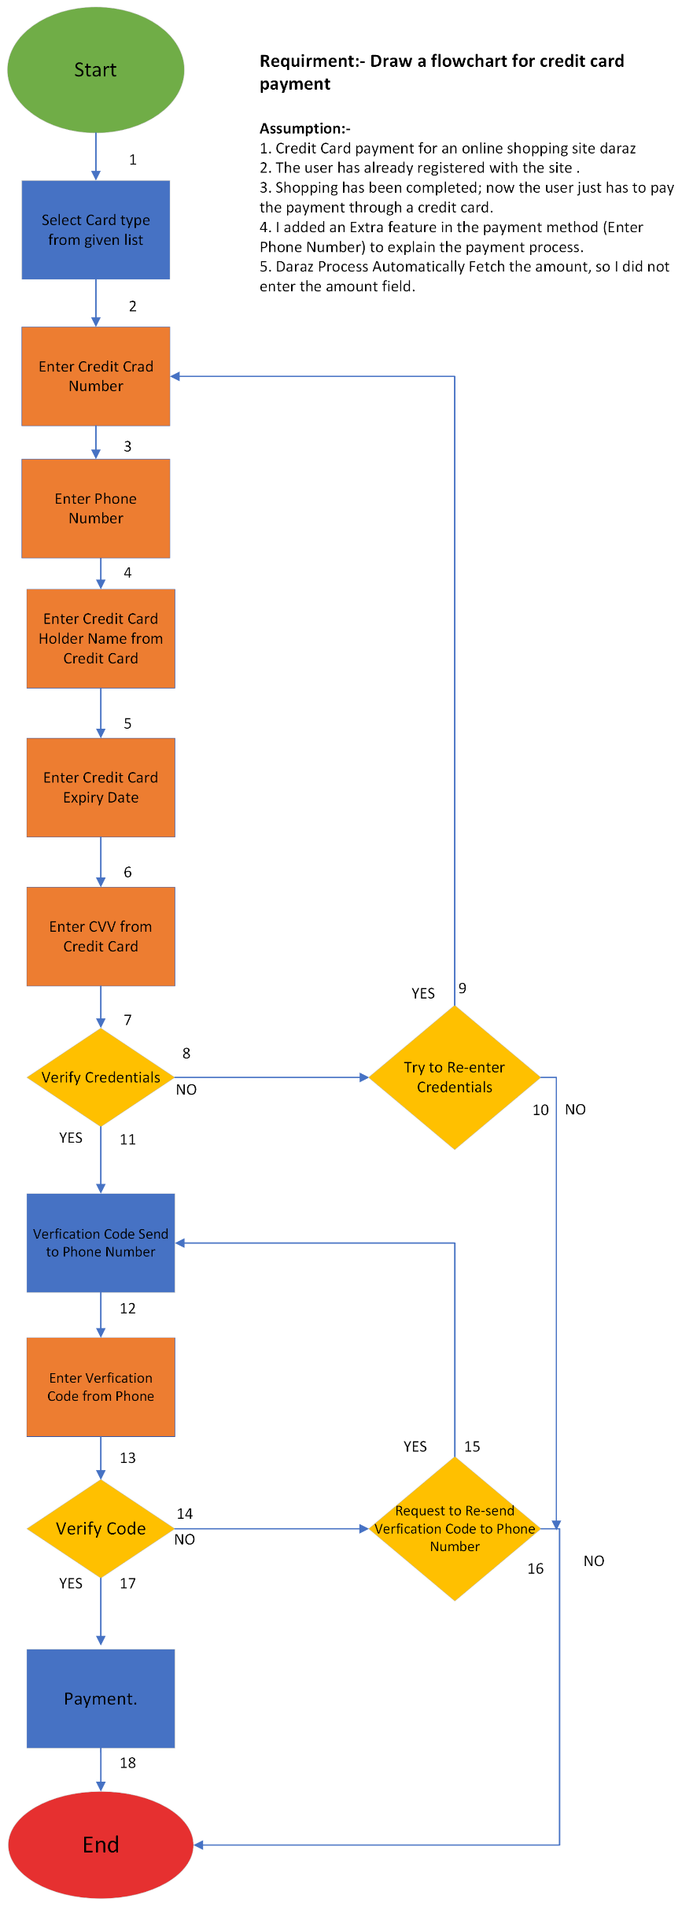
FlowChart for credit card payment

